PRD
Product Requirement Document (PRD) - Version: 1.0

Template Name |  | Money Transfer system using Blockchain
Goals & Objective |  | We all transfer money. The goal of this website is to provide a secure and efficient platform for individuals and businesses to transfer money using blockchain technology. From this website user/miner can : - Send & Receive money with low cost transaction fee - Can see transparent ledger where all activity of transaction is shown - Can see block information - Miners can mine blocks - Miners can verify blocks - User/Miners can update their profile information
Client Information
Product Type |  | Web Application
Domain |  | Web2
Access Layers |  | User, Miner
Design Required |  | Yes

Phase | Item No | Specification [Role] | Screen Definition | User Story | Acceptance Criteria | UI Screen / Wireframe | Tags
Feature: 1 |  | Auth Feature
phase 1 | 1 | Signup [Miner] [User] | <Form> <input=name> <input=email> <input=gender> <input=dob> <input=password> <input=re-password> <input=user-type> <button=signup> <link=signin> | - Enter Full name (input) - Enter unregistered email (input) - Enter password (input) [Logic: At least 8 characters long, atleast one special character] - Enter password again (input) [Logic: should match password input] - Choose user type [user,miner] - Click Signup (button) [Logic: If the email is unique, user will be registered to the sysmem (databse)] - Signin (link) [Logic: redirect user to Login page] | - Email (input) field should only accept valid unregistered email address as input, otherwise will show an 'email already used' message. - Password (input) should be minimum 8 characters long. Otherwise show an invalid message. - Re-password (input) should match password. Otherwise show 'password do not match' message. - User type must be selected. Otherwise show 'Please select a user type'. - On clicking signup button, credential will be stored in database, user will be redirected to his dashboard. - A copy of the login information will be sent to his email. | 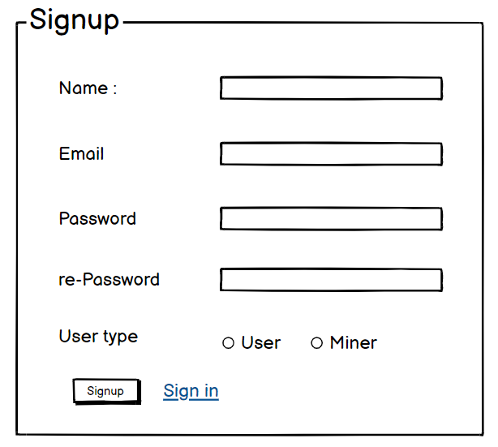 | signup
phase 1 | 2 | Signin [Miner] [User] | <Form> <input=email> <input=password> <option=remember me> <button=signin> <link=signup> <link=forgot password> | - Enter Email (input) - Enter password (input) - signin (button) - signup (link) - forgot password (link) | - Email must match database email - password must match database password - User go to dashboard (if email & password match with database) - User is promt with an error. "Email or password does not match!". (if email & password match with database) - clicking signup should take user to signup page - clicking forgot password should take him to forgot password page | 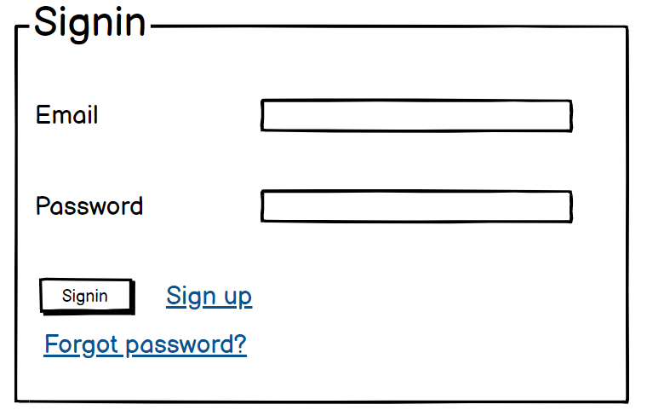 | signin
phase 1 | 3 | Forgot password[Miner] [User] | <Form> <input=email> <button=send code> <input=code> <input=password> <input=confirm Password> <button=submit> | - Enter email (input) - Press send code (button) - Enter new password (input) - Re-type new password (input) - click on change passowrd to update password (button) | - email must match DB email or promt "No email found!" - pressing send code will print a message "code sent!" and the code can be found at user info row. - enter new password [At least 8 characters long, atleast one special character] - re-type new password [it should match new password] - clicking submit button will show user -> "password changed" if all info match criteria or it'll indicate what's wrong | 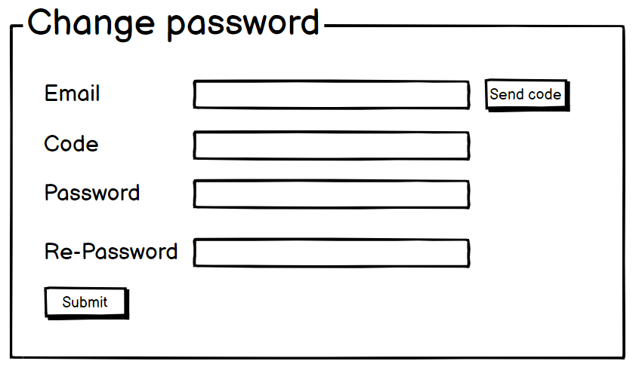 | forgot_password
Feature: 2 |  | Dashboard
phase 1 | 4 | Menu [User] | Dashboard Send money Public Ledger Latest Blocks View Profile Edit Profile Change Profile Photo Change Password | - Dashboard(link) - Send money(link) - public ledger (link) - Latest Blocks (link) - View Profile(link) - Edit profile(link) - change profile photo(link) - change password(link) | - clicking dashboard will take user to dashboard page - go to send money page on click - go to public ledger on Click - go to Latest blocks page on click - go to view profile page on click - go to edit profile page on Click - go to change profile page on Click - go to change password page on Click | 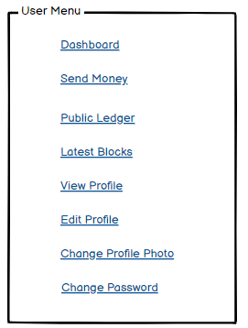 | Menu
phase 1 | 5 | Menu[Miner] | <Unordered list> Dashboard Send money Public Ledger Latest Blocks Mempool Mine block Verify blocks View Profile Edit Profile Change Profile Photo Change Password | - Dashboard(link) - Send money(link) - public ledger(link) - Latest blocks(link) - Mempool(link) - Mine Blocks(link) - Verify Blocks(link) - View Profile(link) - Edit profile(link) - change profile photo(link) - change password(link) | - clicking dashboard will take user to dashboard page - go to send money page on click - go to public ledger on Click - go to Latest blocks page on click - go to mempool page on click - go to mine blocks page on click - go to verify blocks page on click - go to view profile page on click - go to edit profile page on Click - go to change profile page on Click - go to change password page on Click | 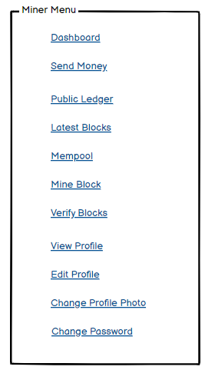
phase 1 | 6 | Dashboard [Miner] [User] | <table> Balance : 100.23 BTC View transaction history (link) Your public key Your private key Your bitcoin address | - Balance (text) - trx history(link) - public key (text) - private key(text) - bitcoin address(text) | 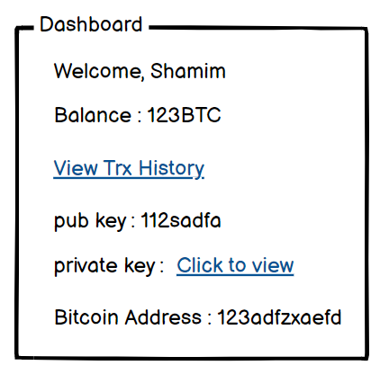 - show appropiate Balance ( should not be less than 0) - clicking trx history link will take user to trx history page - public key is shown - private key is only shown when clicked - bitcoin address is shown
Feature: 3 |  | Top bar and Bottom Bar
Feature: 4 |  | Send Money
Feature: 5 |  | Public Ledger
Feature: 6 |  | Block
Feature: 7 |  | Mempool
Feature: 8 |  | Mine Blocks
Feature: 9 |  | Verify Blocks
Feature: 10 |  | Profile
Feature: 11 |  | Transaction details
Feature: 12 |  | Block details
Feature: 13 |  | Notification
Feature: 14 |  | Fllowed User
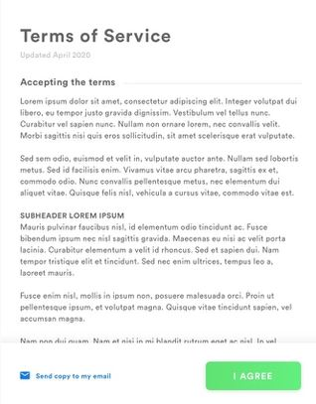
Feature: 15 |  | Legal Agreement Feature
Feature: 16 |  | Transaction History
Feature: 17 |  | About
Feature: 18 |  | Learning Portal
Feature: 19 |  | Deposit
Feature: 20 |  | FAQ
Feature: 21 |  | Currency Converstion
Feature: 22 |  | Request Bitcoin
Feature: 22 |  | Bill Payment

